PO
PURCHASE ORDER

Reference : |  |  | Date :

EXPORTER |  |  | IMPORTER

REPRESENTATIVE OF THE EXPORTER |  | Shipment Terms |  | Ex Factory

 |  | Payment Terms |  | 100% Cash Advance

 |  | Shipment Mode |  | By Sea

Description | Unit | Unit Price |  | Quantity |  | Total
HIGH QULITY VINTAGE LEATHER SHOES | PAIR | AED 191.00 |  | 7853 |  | AED 1,499,950.00

Amount in Words : |  |  |  | Sub Total: | AED 1,499,950.00
 |  |  |  | Others: | -
 |  |  |  | Total Amount: | AED 1,499,950.00


PACKING:
ORIGIN:
LOADING PORT:
DISCHARGE PORT:

PREPARED BY:

SQ
SALES QUOTATION

Reference : |  |  | Date :

EXPORTER |  |  | IMPORTER

REPRESENTATIVE OF THE IMPORTER |  | Shipment Terms |  | Ex Factory

 |  | Payment Terms |  | 100% Cash Advance

 |  | Shipment Mode |  | By Sea

Description | Unit | Unit Price |  | Quantity |  | Total
HIGH QULITY VINTAGE LEATHER SHOES | PAIR | AED 191.00 |  | 7853 |  | AED 1,499,950.00

Amount in Words : |  |  |  | Sub Total: | AED 1,499,950.00
 |  |  |  | Others: | -
 |  |  |  | Total Amount: | AED 1,499,950.00

PACKING:
ORIGIN:
LOADING PORT:
DISCHARGE PORT:

PREPARED BY:

PI
PROFORMA INVOICE

Reference : |  |  | Date :

EXPORTER |  |  | IMPORTER

REPRESENTATIVE OF THE IMPORTER |  | Shipment Terms |  | Ex Factory

 |  | Payment Terms |  | 100% Cash Advance

 |  | Shipment Mode |  | By Sea

Description | Unit | Unit Price |  | Quantity |  | Total
HIGH QULITY VINTAGE LEATHER SHOES | PAIR | AED 191.00 |  | 7853 |  | AED 1,499,950.00

Amount in Words : |  |  |  | Sub Total: | AED 1,499,950.00
 |  |  |  | Others: | -
 |  |  |  | Total Amount: | AED 1,499,950.00

PACKING:
ORIGIN:
LOADING PORT:
DISCHARGE PORT:

PREPARED BY:

CI
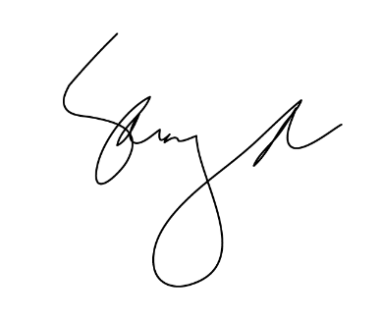
COMMERCIAL INVOICE

 |  |  |  | Reference: | CI-5434
 |  |  |  | Date: | 2018-03-02

EXPORTER: |  |  |  | SHIP TO:
GUAGZHOU FGT INTERNATIONAL TRADING CO. LTD |  |  |  | PONDY OXIDES AND CHEMICALS LTD
Guangzho.China |  |  |  | Tamilnadu, India

COUNTRY OF MANUFACTURE: |  |  |  | COUNTRY OF DESTINATION:

Shipment Information

SHIPMENT MODE: |  | BY SEA
PAYMENT TERMS: |  | 100% CASH ADVANCE
SHIPMENT TERMS: |  | EX FACTORY

Item | Description |  | Qty | Price | Unit | Line Total
1 | HIGH QULITY VINTAGE LEATHER SHOES

Amount in Words: |  |  |  |  | Sub Total
One Milion Four Hundred Ninty Nine Thousand Nine Hundred Fifty Dirhams Only |  |  |  |  | Others | -
 |  |  |  |  | Total Amount

Special Notes/ Terms of Sale
Packing:
Origin:
Loading Port:
Discharge Port:
All Other details as per our P/I No. FD-300 dated 01/01/2018
I hereby certify that this invoice shows the actual price of goods described, that no other invoice has been issued, and that all particulars are true and correct.

